Sheet1
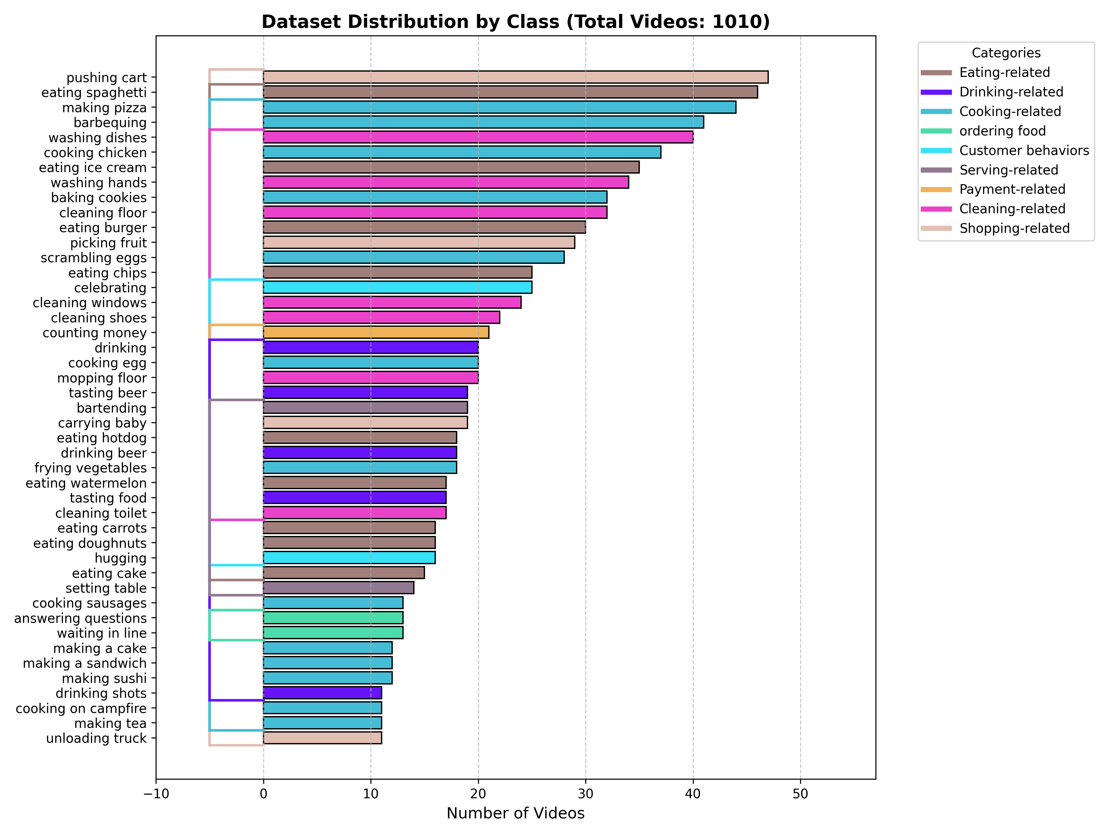
Epoch | Loss | Accuracy | Precision | Recall | F1 | Epoch 12 -- Loss: 3.0978, Accuracy: 0.1745, Precision: 0.1659, Recall: 0.1265, F1: 0.1115
1 | 3.8306 | 0.0359 | 0.0062 | 0.0208 | 0.0092 | Epoch 13 -- Loss: 2.9667, Accuracy: 0.2218, Precision: 0.1694, Recall: 0.1660, F1: 0.1480
2 | 3.7137 | 0.0533 | 0.0163 | 0.0308 | 0.0186 | Epoch 14 -- Loss: 2.8126, Accuracy: 0.2662, Precision: 0.2656, Recall: 0.2127, F1: 0.2060
3 | 3.6699 | 0.066 | 0.0184 | 0.0397 | 0.0235 | Epoch 15 -- Loss: 2.6652, Accuracy: 0.3095, Precision: 0.3518, Recall: 0.2519, F1: 0.2506
4 | 3.6309 | 0.0766 | 0.0514 | 0.0488 | 0.0289 | Epoch 16 -- Loss: 2.4908, Accuracy: 0.3317, Precision: 0.4041, Recall: 0.2768, F1: 0.2897
5 | 3.5743 | 0.0854 | 0.026 | 0.0528 | 0.0311 | Epoch 17 -- Loss: 2.2558, Accuracy: 0.4156, Precision: 0.4789, Recall: 0.3650, F1: 0.3782
6 | 3.5274 | 0.097 | 0.0326 | 0.0617 | 0.0377 | Epoch 18 -- Loss: 2.0054, Accuracy: 0.4860, Precision: 0.5738, Recall: 0.4456, F1: 0.4691
7 | 3.4887 | 0.1038 | 0.0377 | 0.0662 | 0.0403 | Epoch 19 -- Loss: 1.8286, Accuracy: 0.5410, Precision: 0.6183, Recall: 0.5101, F1: 0.5338
8 | 3.4295 | 0.1174 | 0.0469 | 0.078 | 0.0523 | Epoch 20 -- Loss: 1.5647, Accuracy: 0.6085, Precision: 0.6602, Recall: 0.5861, F1: 0.6036
9 | 3.3629 | 0.1397 | 0.0744 | 0.0936 | 0.0672
10 | 3.2935 | 0.1523 | 0.0636 | 0.1016 | 0.0728
11 | 3.1955 | 0.1562 | 0.1015 | 0.1114 | 0.0871
12 | 3.0978 | 0.1745 | 0.1659 | 0.1265 | 0.1115
13 | 2.9667 | 0.2218 | 0.1694 | 0.166 | 0.148
14 | 2.8126 | 0.2662 | 0.2656 | 0.2127 | 0.206
15 | 2.6652 | 0.3095 | 0.3518 | 0.2519 | 0.2506
16 | 2.4908 | 0.3317 | 0.4041 | 0.2768 | 0.2897
17 | 2.2558 | 0.4156 | 0.4789 | 0.365 | 0.3782
18 | 2.0054 | 0.486 | 0.5738 | 0.4456 | 0.4691
19 | 1.8286 | 0.541 | 0.6183 | 0.5101 | 0.05338
20 | 0.15647 | 0.6085 | 0.6602 | 0.5861 | 0.6036 |  | Train/Test -> 80-20

